Sheet2
 | Output |  |  | Predictions with softmax
0 | class_0 | class_1 | class_2 | class_0 | class_1 | class_2 | Loss
1 | 0 | 0 | 1 | 0.2 | 0.2 | 0.6 | 0.22184874962 |  | class_2
2 | 1 | 0 | 0 | 0.1 | 0.7 | 0.2 | 1 |  | class_1
 | 0 | 1 | 0 | 0.9 | 0.05 | 0.05 | 1.3010299957 |  | class_0

 |  |  |  | Categorical Cross Entropy |  |  | 0.84095958176

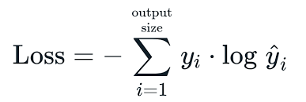

Categorical Cross entropy

Batch Size

 |  |  |  |  |  |  |  | 0-255
Gradient Descent - Entire data will be trained

Mini Batch Gradient Descent- 32

Sheet3
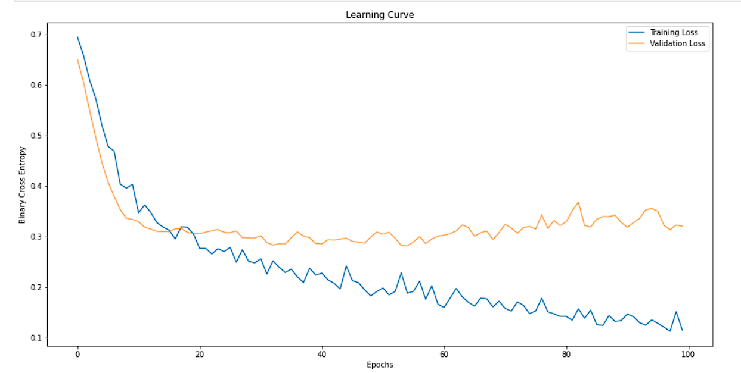
Y | class_0 | class_1 | class_2
0 | 1 | 0 | 0
1 | 0 | 1 | 0
2 | 0 | 0 | 1 | train
2 | 0 | 0 | 1 | 0 | 33%
1 |  |  |  | 1 | 33%
1 |  |  |  | 2 | 33%
2
0 |  |  |  | test
 |  |  |  | 0 | 33% | 32.1
 |  |  |  | 1 | 33%
 |  |  |  | 2 | 33%

